Clients Requirement
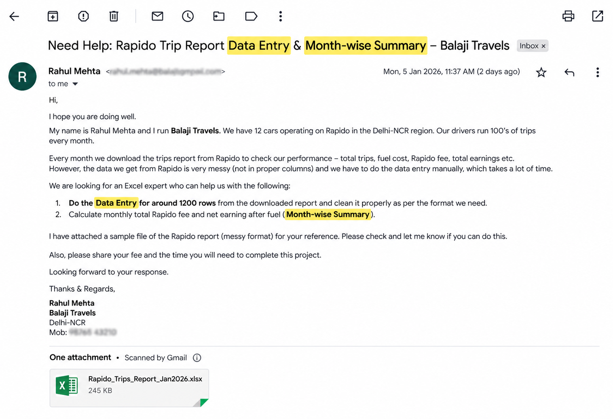
Clients's Requirement

Home Work Challenge
Write Total number of Trips and Total Fuel cost in July month in the comment section of this video :)
https://www.youtube.com/watch?v=TJ4rwJJGT6A



Fulfil the requirement and I'll Pay you a Good amount...

We download data from Rapido Captain Platform, but it comes very messy. I want you to do the complete Data entry and then solve the above question.

